Sheet1
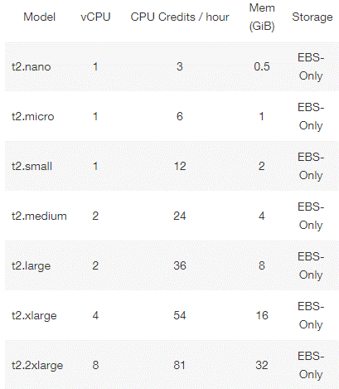
Latency (nanos) : |  | Number of user
Number of CPU | Name on AWS | 15 | 50 | 100 | 300 | 500 | Average:
1 | t2.micro | 502735625 | 514855585 | 510272257 | 503607866 | 514097788 | 509113824
2 | t2.large | 480420990 | 504245801 | 504510236 | 492015423 | 514458622 | 499130214
4 | t2.xlarge | We were not authorized to run a 4 CPU instance on Amazon, we had an error when we tried to start it !

Throughput (request per nanos): |  | Number of user
Number of CPU | Name on AWS | 15 | 50 | 100 | 300 | 500 | Average:
1 | t2.micro |  |  |  |  |  | #DIV/0!
2 | t2.large |  |  |  |  |  | #DIV/0!
4 | t2.xlarge | We were not authorized to run a 4 CPU instance on Amazon, we had an error when we tried to start it !

